Sheet1
Linear Regression

Lasso |  | kn=Kneighboursclassfier()
Ridge |  | kn.fit(x_train,y_train)
Elastic Net |  | kn.predcit(x_train) |  | 80
 |  | confusion_matrix(y_train,kn.predict(x_train)
we will control the coeffcients
reduce the coefficents |  | kn=Kneighboursclassfier()
coeffcients zero also |  | kn.fit(x_train,y_train) |  | 60
 |  | kn.predcit(x_test)
 |  | confusion_matrix(y_test,kn.predict(x_test)

regularization | An ML techniqu used to reduce overfitting
 | by adding penalty to the model loss function
 | the penalty discourages model from using unnecessary large coeffcients

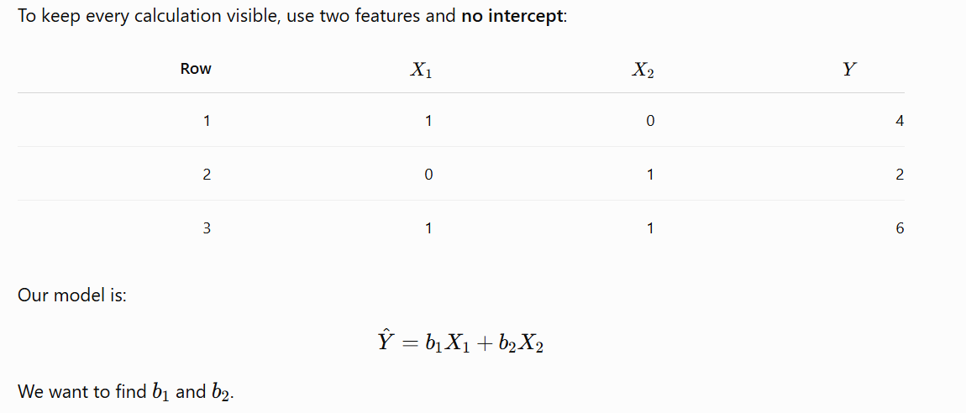

 | 1 | 0 | 4
 | 0 | 1 | 2
 | 1 | 1 | 6

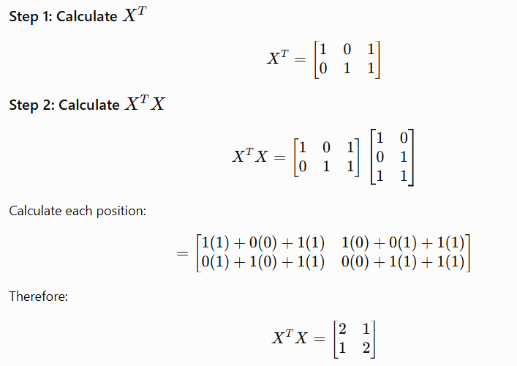

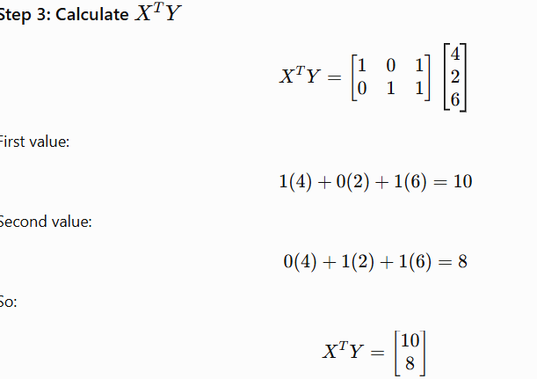

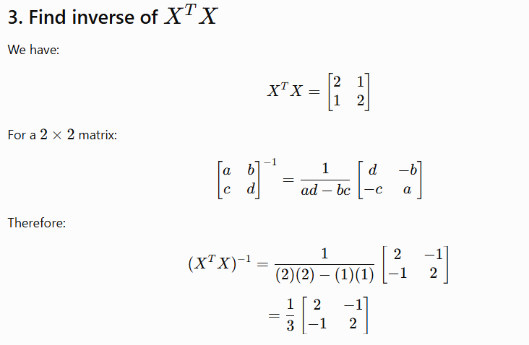

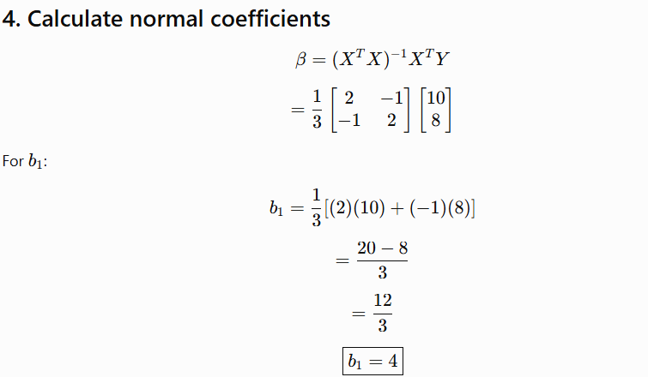

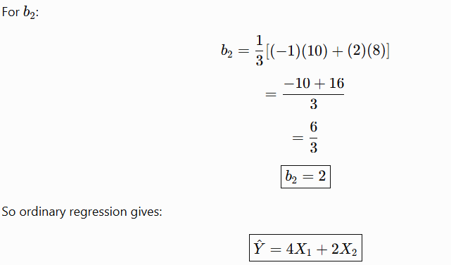

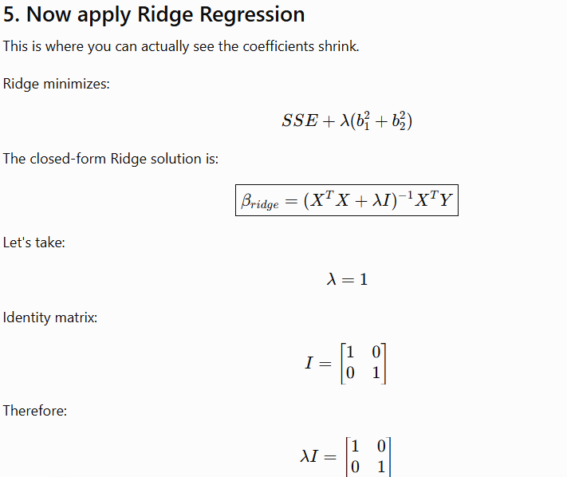

 |  |  |  |  | 2 | 1 |  | 1 | 0
 |  |  |  |  | 1 | 2 |  | 0 | 1

 |  |  |  |  |  |  | 3 | 1
 |  |  |  |  |  |  | 1 | 3
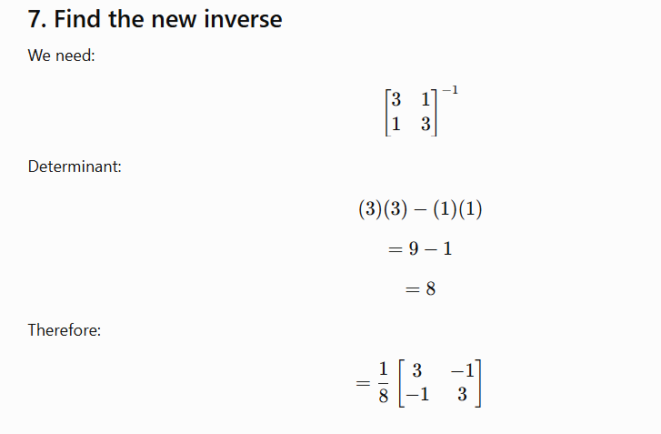

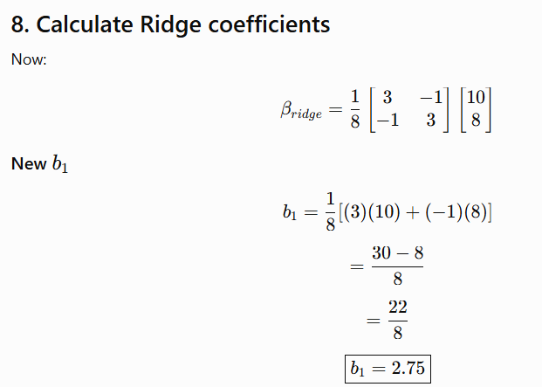

 |  |  |  |  |  |  |  |  |  | Lambda | Strength of regularization

 |  |  |  |  |  |  |  |  |  |  | 0 | Original coeffcients

 |  |  |  |  |  |  |  | 0 to inf

 |  |  |  |  |  |  |  | 0 to 10
 |  |  |  |  |  |  |  | 0 | Original Coeffcients
 |  |  |  |  |  |  |  | 0.001 | Weak
 |  |  |  |  |  |  |  | 0.1 | Moderate
 |  |  |  |  |  |  |  | 1 | Stronger
 |  |  |  |  |  |  |  | 10 | Very Strong

Sheet2
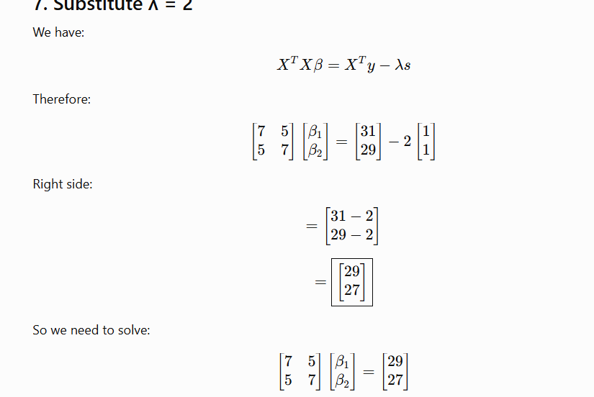
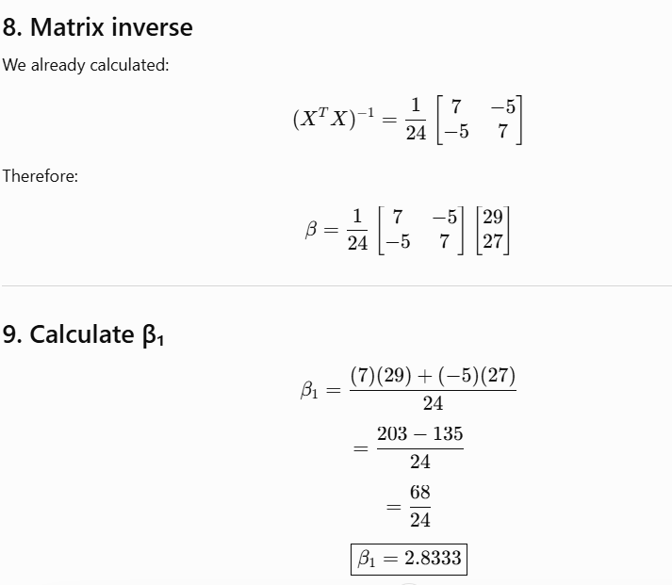
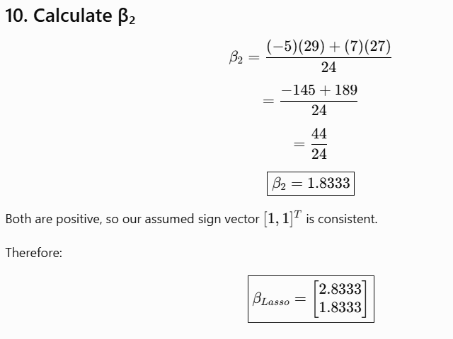
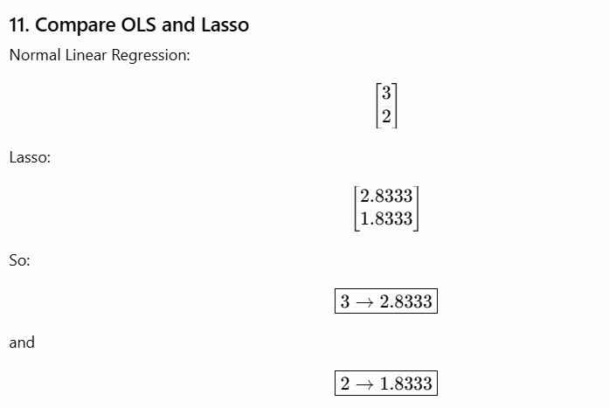
3

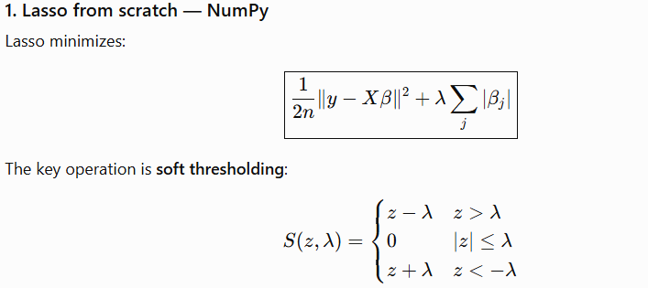

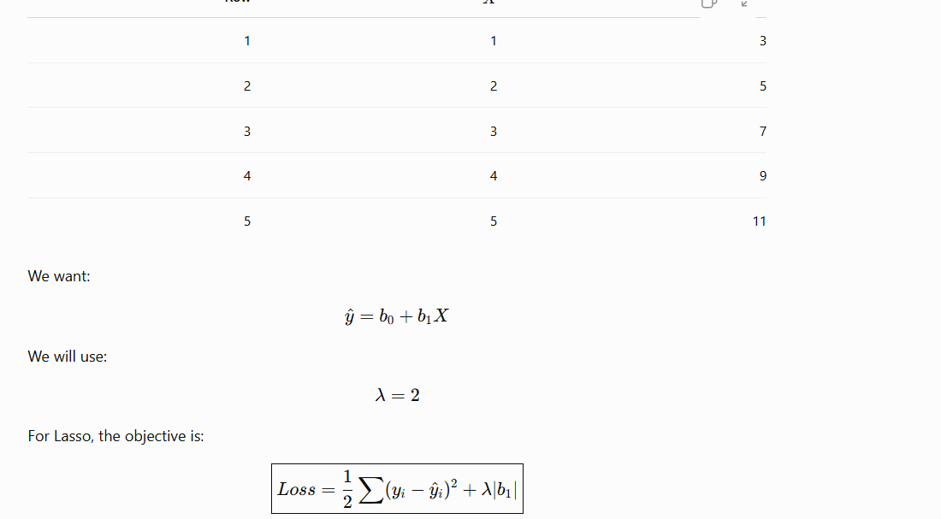

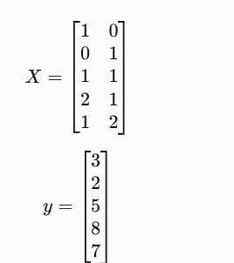
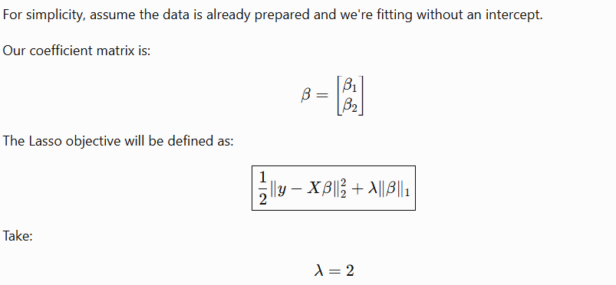

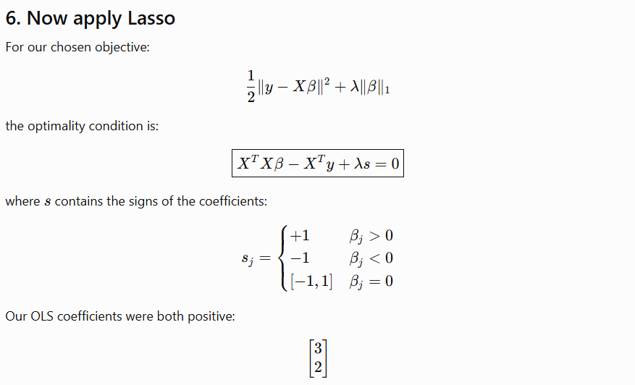

 | S | 1
 |  | 1

